Home
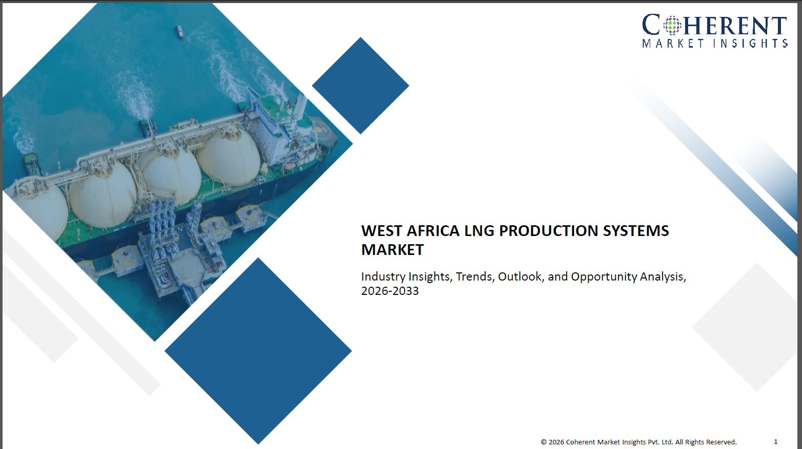

Proposition 1
(list of 100-120 Customer)

Proposition 2
(list of 100-120 Customer)

Proposition 3
(list of 100-120 Customer)

Proposition 1 - Basic
Home
West Africa LNG Production Systems Market- Customer Database Verified directory and insight on customers

S.No. | Customer Information |  |  |  |  | Contact Details
 | Customer Name/Company Name | Business Overview (Role in LNG value chain (operator / developer / partner) Type of LNG assets (onshore, FLNG, modular) Project stage (planned / under construction / operational) Focus areas (export LNG, domestic gas monetization, gas-to-power) | Industry Vertical (Upstream-integrated LNG players Midstream LNG operators FLNG developers) | Total Annual Revenue (US$ Million) | Customer Size / Scale (Large-scale LNG (>5 MTPA) Mid-scale (1–5 MTPA) Small-scale / FLNG) | Key Contact Person | Designation/Role | Email Address | Phone/WhatsApp Number | LinkedIn Profile | Website URL
1 | Customer 1 | xx | xx | xx | xx | xx | xx | xx | xx | xx | xx
2 | Customer 2 | xx | xx | xx | xx | xx | xx | xx | xx | xx | xx
3 | Customer 3 | xx | xx | xx | xx | xx | xx | xx | xx | xx | xx
4 | Customer 4 | xx | xx | xx | xx | xx | xx | xx | xx | xx | xx
5 | Customer 5 | xx | xx | xx | xx | xx | xx | xx | xx | xx | xx
6 | Customer 6 | xx | xx | xx | xx | xx | xx | xx | xx | xx | xx
7 | Customer 7 | xx | xx | xx | xx | xx | xx | xx | xx | xx | xx
8 | Customer 8 | xx | xx | xx | xx | xx | xx | xx | xx | xx | xx
9 | Customer 9 | xx | xx | xx | xx | xx | xx | xx | xx | xx | xx
10 | Customer 10 | xx | xx | xx | xx | xx | xx | xx | xx | xx | xx
11 | Customer 11 | xx | xx | xx | xx | xx | xx | xx | xx | xx | xx
12 | Customer 12 | xx | xx | xx | xx | xx | xx | xx | xx | xx | xx
13 | Customer 13 | xx | xx | xx | xx | xx | xx | xx | xx | xx | xx
14 | Customer 14 | xx | xx | xx | xx | xx | xx | xx | xx | xx | xx
15 | Customer N | xx | xx | xx | xx | xx | xx | xx | xx | xx | xx

Proposition 2 - Advance
Home
West Africa LNG Production Systems Market - Customer Database Verified directory and insight on customers

S.No. | Customer Information |  |  |  |  | Contact Details |  |  |  |  |  | Professional Drivers
 | Customer Name/Company Name | Business Overview (Role in LNG value chain (operator / developer / partner) Type of LNG assets (onshore, FLNG, modular) Project stage (planned / under construction / operational) Focus areas (export LNG, domestic gas monetization, gas-to-power) | Industry Vertical (Upstream-integrated LNG players Midstream LNG operators FLNG developers) | Total Annual Revenue (US$ Million) | Customer Size / Scale (Large-scale LNG (>5 MTPA) Mid-scale (1–5 MTPA) Small-scale / FLNG) | Key Contact Person | Designation/Role | Email Address | Phone/WhatsApp Number | LinkedIn Profile | Website URL | Key Buying Criteria (Liquefaction efficiency (energy consumption) Proven EPC track record Technology reliability (APCI, MR, etc.) CAPEX optimization Scalability (train expansion capability) Compliance (environmental, safety, ESG) Offshore vs onshore adaptability) | Key Pain Points (High CAPEX and financing constraints Project delays and cost overruns Infrastructure gaps (pipelines, storage, power) Offshore technical challenges (FLNG) Limited local supply chain Regulatory uncertainty Skilled workforce shortages) | Upcoming Triggers and Initiatives (New LNG project FIDs Expansion of existing LNG trains FLNG adoption for offshore reserves Gas monetization policies Energy transition (shift from oil to gas) Digitalization of LNG operations Emission reduction targets)
1 | Customer 1 | xx | xx | xx | xx | xx | xx | xx | xx | xx | xx | xx | xx | xx
2 | Customer 2 | xx | xx | xx | xx | xx | xx | xx | xx | xx | xx | xx | xx | xx
3 | Customer 3 | xx | xx | xx | xx | xx | xx | xx | xx | xx | xx | xx | xx | xx
4 | Customer 4 | xx | xx | xx | xx | xx | xx | xx | xx | xx | xx | xx | xx | xx
5 | Customer 5 | xx | xx | xx | xx | xx | xx | xx | xx | xx | xx | xx | xx | xx
6 | Customer 6 | xx | xx | xx | xx | xx | xx | xx | xx | xx | xx | xx | xx | xx
7 | Customer 7 | xx | xx | xx | xx | xx | xx | xx | xx | xx | xx | xx | xx | xx
8 | Customer 8 | xx | xx | xx | xx | xx | xx | xx | xx | xx | xx | xx | xx | xx
9 | Customer 9 | xx | xx | xx | xx | xx | xx | xx | xx | xx | xx | xx | xx | xx
10 | Customer 10 | xx | xx | xx | xx | xx | xx | xx | xx | xx | xx | xx | xx | xx
11 | Customer 11 | xx | xx | xx | xx | xx | xx | xx | xx | xx | xx | xx | xx | xx
12 | Customer 12 | xx | xx | xx | xx | xx | xx | xx | xx | xx | xx | xx | xx | xx
13 | Customer 13 | xx | xx | xx | xx | xx | xx | xx | xx | xx | xx | xx | xx | xx
14 | Customer 14 | xx | xx | xx | xx | xx | xx | xx | xx | xx | xx | xx | xx | xx
15 | Customer N | xx | xx | xx | xx | xx | xx | xx | xx | xx | xx | xx | xx | xx

Proposition 3 - Premium
Home
West Africa LNG Production Systems Market - Customer Database Verified directory and insight on customers

S.No. | Customer Information |  |  |  |  | Contact Details |  |  |  |  |  | Professional Drivers |  |  | Purchasing Behaviour Metrics |  |  | Solution Requirements |  |  | CMI Insights
 | Customer Name/Company Name | Business Overview (Role in LNG value chain (operator / developer / partner) Type of LNG assets (onshore, FLNG, modular) Focus areas (export LNG, domestic gas monetization, gas-to-power) | Industry Vertical (Upstream-integrated LNG players Midstream LNG operators FLNG developers) | Total Annual Revenue (US$ Million) | Customer Size / Scale (Large-scale LNG (>5 MTPA) Mid-scale (1–5 MTPA) Small-scale / FLNG) | Key Contact Person | Designation/Role | Email Address | Phone/WhatsApp Number | LinkedIn Profile | Website URL | Key Buying Criteria (Liquefaction efficiency (energy consumption) Proven EPC track record Technology reliability (APCI, MR, etc.) CAPEX optimization Scalability (train expansion capability) Compliance (environmental, safety, ESG) Offshore vs onshore adaptability) | Key Pain Points (High CAPEX and financing constraints Project delays and cost overruns Infrastructure gaps (pipelines, storage, power) Offshore technical challenges (FLNG) Limited local supply chain Regulatory uncertainty Skilled workforce shortages) | Upcoming Triggers and Initiatives (New LNG project FIDs Expansion of existing LNG trains FLNG adoption for offshore reserves Gas monetization policies Energy transition (shift from oil to gas) Digitalization of LNG operations Emission reduction targets) | Budget Ownership (Project development teams Corporate investment committees Joint venture boards Engineering & asset management teams Procurement departments) | Procurement Model (EPC (Engineering, Procurement, Construction) contracts Consortium-based project execution Technology licensing agreements Long-term OEM partnerships Multi-vendor sourcing for components Project financing-linked procurement) | Preferred Engagement Type (Early-stage design involvement (FEED stage) Strategic partnerships with EPC players Long-term framework agreements Pilot projects (for modular/small LNG) Joint ventures and alliances) | Preferred Solution Type (Large-scale liquefaction trains FLNG systems Modular LNG plants Gas pre-treatment systems Refrigeration & compression systems Integrated digital monitoring solutions) | Preferred Deployment Model (Onshore centralized LNG plants Offshore FLNG systems Hybrid (onshore + offshore integration) Modular deployment for remote locations Digitally enabled plants (IoT + analytics)) | Performance Expectations (High plant uptime (>90–95%) Energy efficiency (low power consumption per ton LNG) Low emissions (CO₂ intensity) Operational reliability in harsh environments Low maintenance downtime Safety compliance) | Customer Benchmarking Summary (Potential Customers) | Additional Comments/Notes By CMI team
1 | Customer 1 | xx | xx | xx | xx | xx | xx | xx | xx | xx | xx | xx | xx | xx | xx | xx | xx | xx | xx | xx | xx | xx
2 | Customer 2 | xx | xx | xx | xx | xx | xx | xx | xx | xx | xx | xx | xx | xx | xx | xx | xx | xx | xx | xx | xx | xx
3 | Customer 3 | xx | xx | xx | xx | xx | xx | xx | xx | xx | xx | xx | xx | xx | xx | xx | xx | xx | xx | xx | xx | xx
4 | Customer 4 | xx | xx | xx | xx | xx | xx | xx | xx | xx | xx | xx | xx | xx | xx | xx | xx | xx | xx | xx | xx | xx
5 | Customer 5 | xx | xx | xx | xx | xx | xx | xx | xx | xx | xx | xx | xx | xx | xx | xx | xx | xx | xx | xx | xx | xx
6 | Customer 6 | xx | xx | xx | xx | xx | xx | xx | xx | xx | xx | xx | xx | xx | xx | xx | xx | xx | xx | xx | xx | xx
7 | Customer 7 | xx | xx | xx | xx | xx | xx | xx | xx | xx | xx | xx | xx | xx | xx | xx | xx | xx | xx | xx | xx | xx
8 | Customer 8 | xx | xx | xx | xx | xx | xx | xx | xx | xx | xx | xx | xx | xx | xx | xx | xx | xx | xx | xx | xx | xx
9 | Customer 9 | xx | xx | xx | xx | xx | xx | xx | xx | xx | xx | xx | xx | xx | xx | xx | xx | xx | xx | xx | xx | xx
10 | Customer 10 | xx | xx | xx | xx | xx | xx | xx | xx | xx | xx | xx | xx | xx | xx | xx | xx | xx | xx | xx | xx | xx
11 | Customer 11 | xx | xx | xx | xx | xx | xx | xx | xx | xx | xx | xx | xx | xx | xx | xx | xx | xx | xx | xx | xx | xx
12 | Customer 12 | xx | xx | xx | xx | xx | xx | xx | xx | xx | xx | xx | xx | xx | xx | xx | xx | xx | xx | xx | xx | xx
13 | Customer 13 | xx | xx | xx | xx | xx | xx | xx | xx | xx | xx | xx | xx | xx | xx | xx | xx | xx | xx | xx | xx | xx
14 | Customer 14 | xx | xx | xx | xx | xx | xx | xx | xx | xx | xx | xx | xx | xx | xx | xx | xx | xx | xx | xx | xx | xx
15 | Customer N | xx | xx | xx | xx | xx | xx | xx | xx | xx | xx | xx | xx | xx | xx | xx | xx | xx | xx | xx | xx | xx

